Instructions
UW Green Building Standard Workbook
 | Purpose: for tracking and reporting on GBS compliance |  |  |  |  |  | EP status
 | The tabs in this workbook are color coded to match the steps in the process below.
 |  |  |  |  |  |  | 2/14 - Have reviewed and edited top two categories in all Tiers
1. How to use this workbook: |  |  |  |  |  |  | 2/19 - Step 3 - Tiers 4 and 3 are done (for now). Tier 2b in progress.

 | Project Formation |  |  |  | Execution
 | Project Initiation |  |  | Project Development

Start here - Make a copy of this workbook file and add it to project files
Answer the 'yes-no' questions in the Step 1 worksheet to confirm the GBS is applicable to the project.
Go to the Step 3 worksheet for the appropriate Tier and determine the applicable requirements.

Answer the 'yes-no' questions in the Step 2 worksheet to confirm the GBS Tier applicable to the project.
Continue to use the Step 3 worksheet for tracking and reporting on GBS compliance for the remainder of the project.

Requirements?
Yes
Applicable?
Yes
Report on GBS compliance issues at project milestones listed in the workbook

If there are no applicable requirements, save this workbook to the project file as a record of the result.
No
You may delete Step 3 and Step 4 worksheets for tiers not applicable to the project. To delete worksheets, under the Review tab in the top ribbon, turn off "Protect sheet" (there is no password); right-click on the worksheet tab and select "delete"
If not applicable, save this workbook in the project file as a record of the result.
No

Complete Step 4 - Project Summary and
submit a copy of the final workbook and any required documentation to UW Sustainability at greenbuildings@uw.edu

2. How to fill out the worksheets:
 | Cells filled with grey are not applicable and do not need to be filled out.

 | Cells requiring a yes or no answer have drop downs with "Y" and "N" choices.

 | Guidance for completing each open cell is in grey.

 | Provide responses in cells that are white

 | Based on the response provided in open cells, indicate status in the adjacent cells that have a drop down and formatting like this:
 | On track |  | Complies
 | Still in development | or this: | Does not comply
 | Off track

 | If the project receives a variance for a GBS requirement, note this in the report and do not select a status for that requirement.

 | Direct any questions about this workbook process and/or specific project eligibility to UW Sustainability at greenbuildings@uw.edu.

3. Example of filled rows

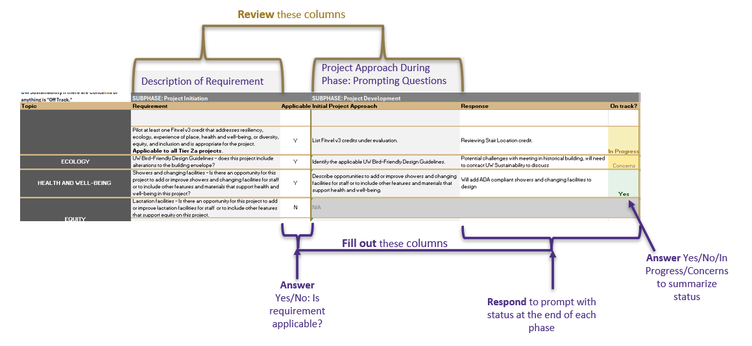

 | GBS Workbook Version Last Updated: 4/17/26

 |  |  |  |  |  | CAP

